Health Protect
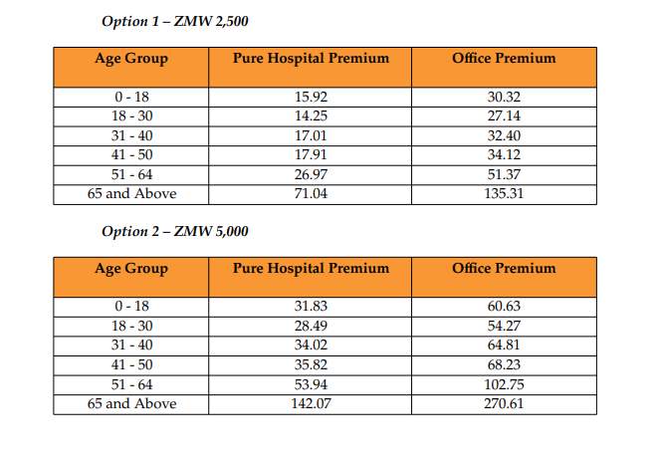
 | Term
Age | Term 3 | Term 5 | Term 7 | Term 10
18 | 0.586 | 0.648 | 0.689 | 0.698
19 | 0.599 | 0.677 | 0.705 | 0.706
20 | 0.594 | 0.681 | 0.696 | 0.695
21 | 0.615 | 0.683 | 0.690 | 0.688
22 | 0.649 | 0.686 | 0.688 | 0.685
23 | 0.646 | 0.671 | 0.673 | 0.674
24 | 0.622 | 0.648 | 0.654 | 0.659 | Death Premium Formula = | Premium Rate (determined by age & term) divided by 1000 multiplied by Sum Assured (SA) plus policy fee plus insurance levy
25 | 0.592 | 0.624 | 0.634 | 0.646
26 | 0.574 | 0.609 | 0.624 | 0.640 | Note. | SA = 10,000 - 2,000,000
27 | 0.565 | 0.603 | 0.621 | 0.642 |  | Policy Fee = K35
28 | 0.562 | 0.602 | 0.623 | 0.648 |  | Insurance Levy = 5% of (Rate divided by 1000 multiplied by SA)
29 | 0.563 | 0.606 | 0.631 | 0.658
30 | 0.569 | 0.616 | 0.642 | 0.673
31 | 0.580 | 0.629 | 0.658 | 0.691 | HCB Premium = | Level of Cover and Age Band selected proportionate Office Premium tabulated
32 | 0.596 | 0.646 | 0.677 | 0.712
33 | 0.615 | 0.667 | 0.700 | 0.736
34 | 0.637 | 0.691 | 0.724 | 0.762
35 | 0.662 | 0.717 | 0.751 | 0.789 | Insurance Levy (Death plus HCB) = | Insurance Levy = 5% of ((Rate divided by 1000 multiplied by SA) plus HCB Prm)
36 | 0.690 | 0.745 | 0.780 | 0.817
37 | 0.720 | 0.775 | 0.809 | 0.846
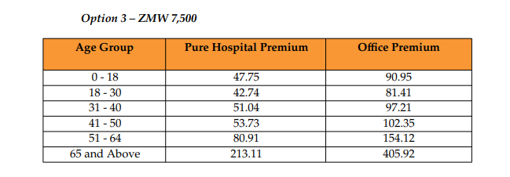
38 | 0.752 | 0.806 | 0.840 | 0.878
39 | 0.784 | 0.837 | 0.870 | 0.911 | Investment Premium Charge = | 1% of Savings Premium
40 | 0.818 | 0.869 | 0.901 | 0.948
41 | 0.852 | 0.901 | 0.934 | 0.990
42 | 0.885 | 0.932 | 0.971 | 1.038
43 | 0.956 | 0.992 | 1.033 | 1.110
44 | 0.991 | 1.034 | 1.086 | 1.175
45 | 1.033 | 1.087 | 1.150 | 1.252
46 | 1.088 | 1.155 | 1.229 | 1.342
47 | 1.163 | 1.240 | 1.323 | 1.448
48 | 1.255 | 1.341 | 1.431 | 1.569
49 | 1.364 | 1.457 | 1.554 | 1.704
50 | 1.488 | 1.585 | 1.691 | 1.855
51 | 1.626 | 1.727 | 1.842 | 2.020
52 | 1.776 | 1.884 | 2.008 | 2.200
53 | 1.918 | 2.041 | 2.179 | 2.389
54 | 2.088 | 2.223 | 2.373 | 2.600
55 | 2.278 | 2.424 | 2.587 | 2.832

